Venue & Date
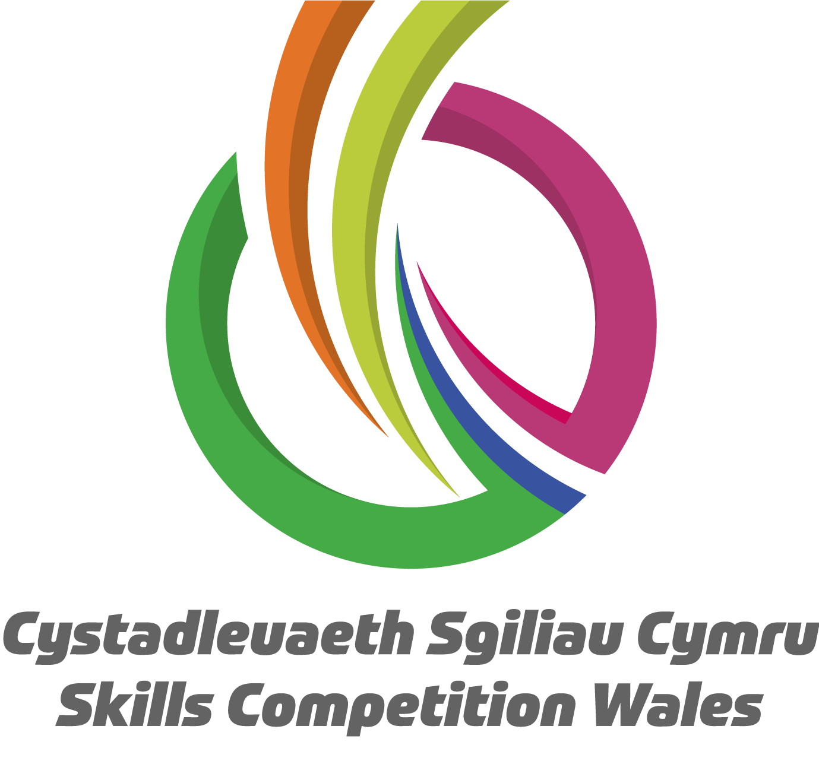

 | Skills Competition Wales 2025 Host Venues and Dates

Lleoliad/Venue | Cystadleuaeth/Competition | Dyddiad/Date | Cyfeiriad/Address
ICC - Newport | Celfyddyd Coginio / Culinary Arts | 2025-01-21 | ICC. The Coldra, Catsash Rd, Caerleon, Newport NP18 1DE
ICC - Newport | Gwasanaeth Bwytai / Restaurant Services | 2025-01-21
ICC - Newport | Patisserie ac Melysion / Patisserie and Confectionary | 2025-01-21
ICC - Newport | Sgiliau Cynhwysol: Gwasanaeth Bwytai / Inclusive Skills Restaurant Services | 2025-01-20
ICC - Newport | Sgiliau Cynhwysol: Paratoi Bwyd / Inclusive Skills: Food Preparation | 2025-01-20
NPTC Group of Colleges - Newtown | Sgiliau Cynhwysol: Garddwriaeth Gynhwysol / Inclusive Skills: Horticulture | 2025-01-29 | NPTC Group of Colleges. Newtown College. Llanidloes Rd, Newtown SY16 4HU
NPTC Group of Colleges - Newtown | Sgiliau Cynhwysol: Datrysiadau Meddalwedd TG ar gyfer Busnes / Inclusive Skills: IT Software Solutions for Business | 2024-01-29
NPTC Group of Colleges - Newtown | Sgiliau Cynhwysol: Gwasanaeth Bwytai / Inclusive Skills Restaurant Services | 2024-01-29
NPTC Group of Colleges - Newtown | Sgiliau Cynhwysol: Paratoi Bwyd / Inclusive Skills: Food Preparation | 2024-01-29
NPTC Group of Colleges - Newtown | Sgiliau Cynhwysol: Gwasanaeth Iechyd a Bywyd / Inclusive Skills: Health and Social Care | 2024-01-29
NPTC Group of Colleges - Newtown | Sgiliau Cynhwysol: Gofal Plant / Inclusive Skills: Childcare | 2024-01-29
NPTC Group of Colleges - Newtown | Inclusive Skills: Life skills | 2024-01-29
NPTC Group of Colleges - Newtown | Iechyd a Gofal Cymdeithasol / Health and Social Care | 2024-01-29
NPTC Group of Colleges - Newtown | Gofal Plant / Childcare | 2024-01-29
NPTC Group of Colleges - Afan | Iechyd a Gofal Cymdeithasol / Health and Social Care | 4 & 5 February | NPTC Group of Colleges. Afan College. College Grn, Port Talbot, Neath SA13 2AL
NPTC Group of Colleges - Afan | Gofal Plant / Childcare | 4 & 5 February
NPTC Group of Colleges - Afan | Sgiliau Cynhwysol: Gwasanaeth Iechyd a Bywyd / Inclusive Skills: Health and Social Care | 4 & 5 February
NPTC Group of Colleges - Afan | Sgiliau Cynhwysol: Gofal Plant / Inclusive Skills: Childcare | 4 & 5 February
Grwp Llandrillo Menai - Bangor | Celf Gem Ddigidol 3D / 3D Game Art | 2024-02-05 | Grwp Llandrillo Menai, Bangor Coleg Menai, Ffordd Penlan, Parc Menai, Bangor, LL57 4HJ.
Grwp Llandrillo Menai - Llangefni | Gwaith Gosod Trydanol / Electrical Installation | 2024-02-05 | Grwp Llandrillo Menai, Llangefni Coleg Menai Penmynydd Road, LL77 7HY
Grwp Llandrillo Menai - Llangefni | Paentio ac Addurno / Painting and Decorating | 2024-02-05
Grwp Llandrillo Menai - Llangefni | Sylfaenol Cynhwysol: Gwaith Coed / Inclusive Skills: Woodwork | 2024-02-05
Grwp Llandrillo Menai - Llangefni | Gwaith Saer / Carpentry | 2024-02-05
Grwp Llandrillo Menai - Llangefni | Plastro / Plastering | 2024-02-05
Grwp Llandrillo Menai - Llangefni | Gwaith Brics / Brickwork | 2024-02-05
Grwp Llandrillo Menai - Llangefni | Plymio a Gwresogi / Plumbing and Heating | 2024-02-05
Grwp Llandrillo Menai - Llangefni | Melino CNC / CNC Milling | 2024-02-05
Grwp Llandrillo Menai - Llangefni | Roboteg Diwydiannol / Industrial Robotics | 2024-02-05
Grwp Llandrillo Menai - Llangefni | CAD Peirianneg Fecanyddol / Mechanical Engineering CAD | 2024-02-05
Grwp Llandrillo Menai - Llangefni | Gweithgynhyrchu Ychwanegion / Additive Manufacturing | 2024-02-05
Grwp Llandrillo Menai - Llangefni | Hyfforddwr Personol / Personal Trainer | 2024-02-05
Grwp Llandrillo Menai - Llangefni | Sgiliau Cynhwysol: Cynorthwyydd Ffitrwydd / Inclusive Skills: Fitness Assistant | 2024-02-05
Grwp Llandrillo Menai - Llangefni | Electroneg Ddiwydiannol / Industrial Electronics | 2024-02-05
Grwp Llandrillo Menai - Rhyl | Atgyweirio Corff Cerbyd / Vehicle Body Repair | 2024-02-05 | Grwp Llandrillo Menai, Rhyl Coleg Llandrillo, Cefndy Road, LL18 2HG
Grwp Llandrillo Menai - Rhyl | Technoleg Fodurol Cerbydau Ysgafn / Light Vehicle Automotive Technology | 4,5&6 February
Grwp Llandrillo Menai - Rhyl | Ail-orffennu Cerbyd / Vehicle Refinishing | 2024-02-05
Grwp Llandrillo Menai - Rhyl | Ynni Adnewyddadwy/Renewable Energy | 2024-02-05
Pontio Centre - Bangor | Cerddoriaeth Boblogaidd / Popular Music | 2024-02-05 | Pontio Arts and Innovation Centre. Bangor University, Pontio, Deiniol Rd, Bangor LL57 2TQ
Pontio Centre - Bangor | Cynhyrchu Cyfryngau Digidol / Digital Media | 2024-02-05
Pontio Centre - Bangor | Sgiliau Cynhwysol: Y Cyfryngau / Inclusive Skills: Media | 2024-02-05
Pontio Centre - Bangor | Celfyddydau Perfformio/Performing Arts | 2024-02-05
University South Wales Glyntaff | Gwyddoniaeth Fforensig / Forensic Science | 2024-02-05 | University South Wales. Glyntaff Campus. Cemetery Rd, Pontypridd CF37 4BD
University South Wales Glyntaff | Technegydd Labordy / Labratory Technician | 2024-02-05
Coleg Cambria - Yale | Therapydd Harddwch (Dwylo ac Wyneb) / Beauty Therapist (Hand and Face) | 2024-02-06 | Coleg Cambria. Yale Campus. Grove Park Rd, Wrexham LL12 7AB
Coleg Cambria - Yale | Ymarferydd Therapi Harddwch (Corff) / Beauty Practitioner (Body) | 2024-02-06
Coleg Cambria - Yale | Trin gwallt / Hairdressing | 2024-02-06
Coleg Cambria, Bersham Road | Weldio / Welding | 2024-02-06
Coleg Cambria, Bersham Road | Melino CNC / CNC Milling | 2024-02-06
Coleg Cambria, Deeside | Peirianneg Awyrenegol / Aeronautical Engineering | 2024-02-06 | Coleg Cambria. Deeside Campus. Kelsterton Rd, Connah's Quay, Deeside CH5 4BR
Coleg Cambria, Deeside | Gwaith Adeiladu Metel / Construction Metalwork | 2024-02-06
University of Wales Trinity Saint David - Dinefwr | Ffotograffiaeth / Photography | 2024-02-07 | University of Wales Trinity St David. College of Art Campus. Dynevor Pl, De-La Beche St, Swansea SA1 3EU
University of Wales Trinity Saint David - Dinefwr | Dylunio Graffig / Graphic Design | 2024-02-07
University of Wales Trinity Saint David - Dinefwr | Dylunio a Thechnoleg Ffasiwn / Fashion Design and Technology | 2024-02-07
University Wales Trinity St Davids IQ | CAD Peirianneg Fecanyddol / Mechanical Engineering CAD | 2024-02-07 | University of Wales Trinity St David. IQ Campus. Swansea Waterfront, Trinity Waterfront, Swansea SA1 8EW
University Wales Trinity St Davids IQ | Melino CNC / CNC Milling | 2024-02-07
University Wales Trinity St Davids IQ | Electroneg Ddiwydiannol / Industrial Electronics | 2024-02-07
University Wales Trinity St Davids IQ | Gweithgynhyrchu Ychwanegion / Additive Manufacturing | 2024-02-07
The College Merthyr Tydfil | Sgiliau Cynhwysol: Garddwriaeth Gynhwysol / Inclusive Skills: Horticulture | 2024-02-11 | The College Merthyr Tydfil. Ynysfach, Merthyr Tydfil. CF48 1AR
The College Merthyr Tydfil | Gwaith Gosod Trydanol / Electrical Installation | 2024-02-11
The College Merthyr Tydfil | Paentio ac Addurno / Painting and Decorating | 2024-02-11
The College Merthyr Tydfil | Gwaith Saer / Carpentry | 2024-02-11
The College Merthyr Tydfil | Plastro / Plastering | 2024-02-11
The College Merthyr Tydfil | Gwaith Brics / Brickwork | 2024-02-11
The College Merthyr Tydfil | Plymio a Gwresogi / Plumbing and Heating | 2024-02-11
The College Merthyr Tydfil | Therapydd Harddwch (Dwylo ac Wyneb) / Beauty Therapist (Hand and Face) | 2024-02-11
The College Merthyr Tydfil | Ymarferydd Therapi Harddwch (Corff) / Beauty Practitioner (Body) | 2024-02-11
The College Merthyr Tydfil | Colur Creadigol / Creative Media Makeup | 2025-02-11
The College Merthyr Tydfil | Trin gwallt / Hairdressing | 2024-02-11
The College Merthyr Tydfil | Hyfforddwr Personol / Personal Trainer | 2024-02-11
The College Merthyr Tydfil | Sgiliau Cynhwysol: Cynorthwyydd Ffitrwydd / Inclusive Skills: Fitness Assistant | 2024-02-11
The College Merthyr Tydfil | Sgiliau Cynhwysol: Sgiliau Bywyd / Inclusive Skills: Life Skills | 2024-02-11
Pembrokeshire College | Sgiliau Sero Net / Net Zero Skills | 2024-02-12 | Pembrokeshire College. Merlin's Bridge, Haverfordwest SA61 1SZ
Pembrokeshire College | Weldio / Welding | 2024-02-12
Pembrokeshire College | Gwaith Adeiladu Metel / Construction Metalwork | 2024-02-12
Pembrokeshire College | Gwaith Asiedydd / Joinery | 2025-02-12
Pembrokeshire College | Ynni Adnewyddadwy/Renewable Energy | 2025-02-12
Coleg Gwent - Ebbw Vale | Sgiliau Cynhwysol: Garddwriaeth Gynhwysol / Inclusive Skills: Horticulture | 2024-02-13 | Coleg Gwent. Blaenau Gwent Learning Zone. Ebbw Vale, Lime Ave NP23 6GL
Coleg Gwent - Ebbw Vale | Gwaith Gosod Trydanol / Electrical Installation | 2024-02-13
Coleg Gwent - Ebbw Vale | Sylfaenol Cynhwysol: Gwaith Coed / Inclusive Skills: Woodwork | 2024-02-13
Coleg Gwent - Ebbw Vale | Gwaith Saer / Carpentry | 2024-02-13
Coleg Gwent - Ebbw Vale | Gwaith Asiedydd / Joinery | 2024-02-13
Coleg Gwent - Ebbw Vale | Plastro / Plastering | 2024-02-13
Coleg Gwent - Ebbw Vale | Gwaith Brics / Brickwork | 2024-02-13
Coleg Gwent - Ebbw Vale | Plymio a Gwresogi / Plumbing and Heating | 2024-02-13
University of South Wales - Newport | Technegydd Cymorth TG / IT Support Technician | 2024-02-13 | University of South Wales. Newport. Usk Way, Newport NP20 2BP
University of South Wales - Newport | Codio / Coding | 2024-02-13
University of South Wales - Newport | Diogelwch Rhwydwaith TG / IT Network Security | 2024-02-13
University of South Wales - Newport | Sgiliau Cynhwysol: Datrysiadau Meddalwedd TG ar gyfer Busnes / Inclusive Skills: IT Software Solutions for Business | 2024-02-13
University of South Wales - Newport | Seiberddiogelwch / Cyber Security | 2024-02-13
University of South Wales - Newport | Menter / Enterprise | 2024-02-13
University of South Wales - Newport | Cyfrifeg/Accountancy | 2024-02-13
University of South Wales - Newport | Sgiliau Cynhwysol: Y Cyfryngau / Inclusive Skills: Media | 2024-02-13
University of South Wales - Newport | Datblygu Gwe / Web Development | 2024-02-13
Cardiff and Vale College - ICAT | Peirianneg Awyrenegol / Aeronautical Engineering | 2024-02-13 | Cardiff and Vale College. International Centre for Aerospace Training (ICAT). Cardiff Airport Business Park, Rhoose, Vale of Glamorgan, CF62 3DP.
Cardiff and Vale College - Dumballs Road | Sgiliau Cynhwysol: Sgiliau Bywyd / Inclusive Skills: Life Skills | 2024-02-13 | Cardiff and Vale College. City Centre Campus. Dumballs Road, Cardiff, CF10 5FE.
Cardiff and Vale College - Dumballs Road | Technoleg Cerbydau Trwm / Heavy Vehicle Technology | 2024-02-13
Cardiff and Vale College - Colcot Road | Roboteg Diwydiannol / Industrial Robotics | 2024-02-13 | Cardiff and Vale College. Colcot Rd, Barry CF62 8YJ
Cardiff and Vale College - Colcot Road | Her Tîm Gweithgynhyrchu / Manufacturing Team Challenge | 2024-02-13
Cardiff and Vale College - Colcot Road | Awtomeiddio/Automation | 2024-02-13

NB - All venues and dates are subject to change based on registration numbers and locations. We will endeavour to allocate you at your nearest venue but sometimes this can't be done. Competition leads will inform competitors where they will be competing at the earliest convenience. Any further information needed regarding host venues please email info@skillscompetitionwales.ac.uk
DS - Gall pob lleoliad a dyddiad newid yn seiliedig ar rifau cofrestru a lleoliadau. Byddwn yn ymdrechu i'ch dyrannu yn eich lleoliad agosaf ond weithiau ni ellir gwneud hyn. Bydd arweinwyr y gystadleuaeth yn hysbysu cystadleuwyr lle byddant yn cystadlu cyn gynted â phosibl. Os oes angen unrhyw wybodaeth bellach ynglŷn â lleoliadau cynnal, e-bostiwch info@skillscompetitionwales.ac.uk

